Course Overview
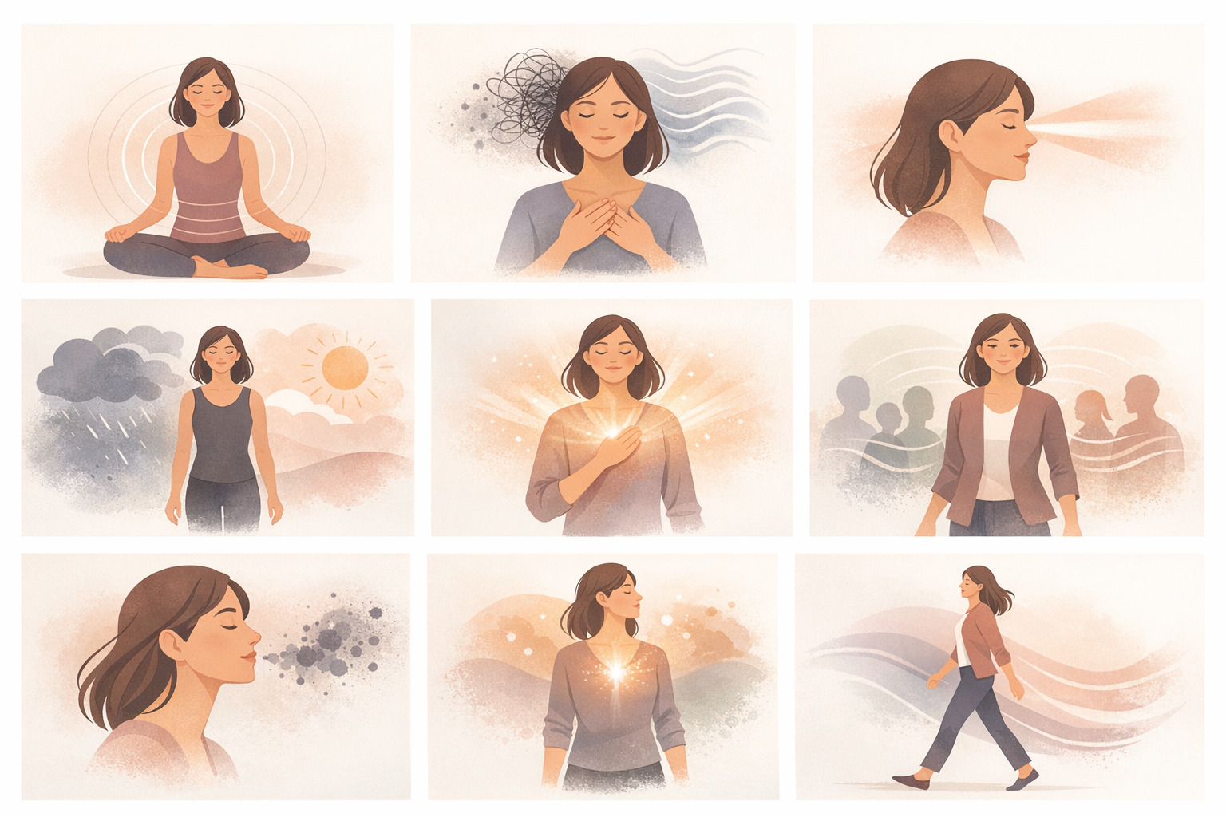
Course Title | Day | Target Audience | Estimated Duration (minutes) | Learning Goal (1 sentence) | Category
Breathwork for Focus and Balance | 7 | women learners | x | Harness the power of your breath to calm the mind, sharpen focus, and energise your body. Through guided breathing techniques, learn to manage stress, boost clarity, and lead with greater presence and emotional stability.

AVITEUM_image 1_Day 7_Breathwork.png

